Sheet1
PYPL - WACC

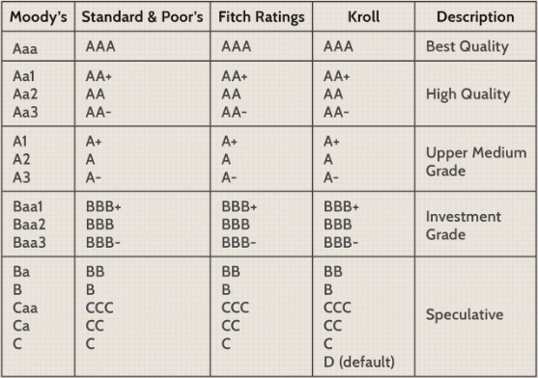
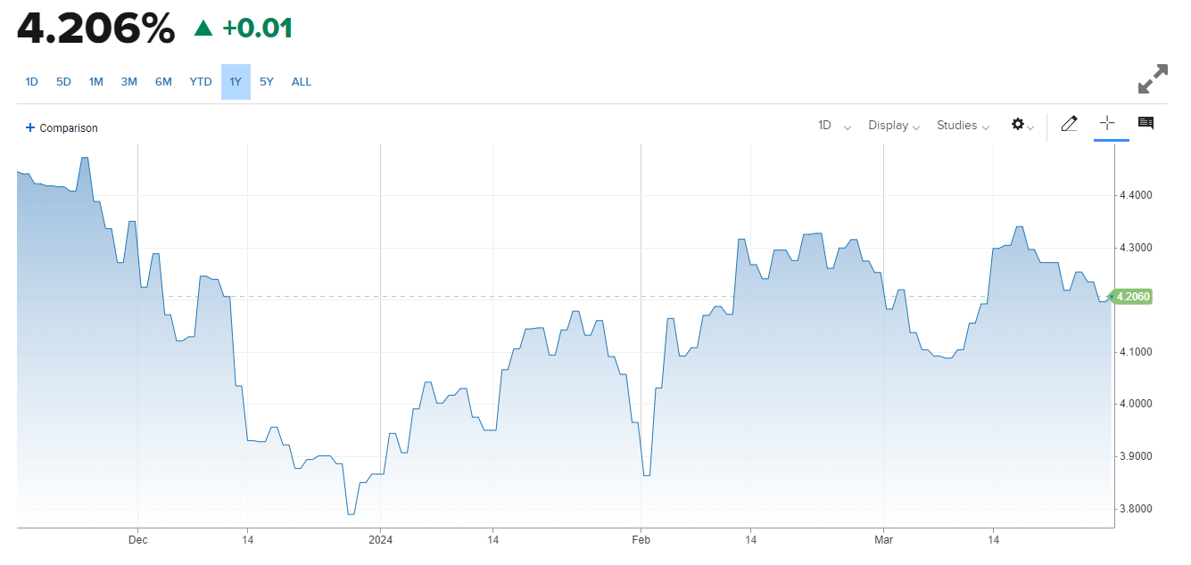
RISK FREE RATE

us 10y teeasury = |  | 4.206%

us credit rading: |  |  | date | num
moodys: | Aaa negative outlook |  | Nov 10 2023 | 0

s&p | AA+ stable outlook |  | Jun 10 2013

deafult risk: |  | moodys: Aaa = |  | 0

10y treasury - deafult risk = 4.206% - 0% = |  |  |  | 4.206%

 | risk free rate = |  | 4.206%

Implied ERP on March 1, 2024= 4.18% (Trailing 12 month, with adjusted payout); 4.33% (Trailing 12 month cash yield); 5.72% (Average CF yield last 10 years); 4.14% (Net cash yield); 4.04% (Normalized Earnings & Payout)

us implied erp = 4.18%

 | revenue spread of pypl 2023

country | amount | portion
us | 17,253.00 | 57.952%
other countries | 12,518.00 | 42.048%
 |  | 1

pypl is a company which her risk comes only from where
sho does buisness

product | amount | portion
transaction revenues | 26,857.00 | 90.212%
other services | 2,914.00 | 9.788%
 |  | 1
pypl is mostly a financial service company
and is a credis service industry

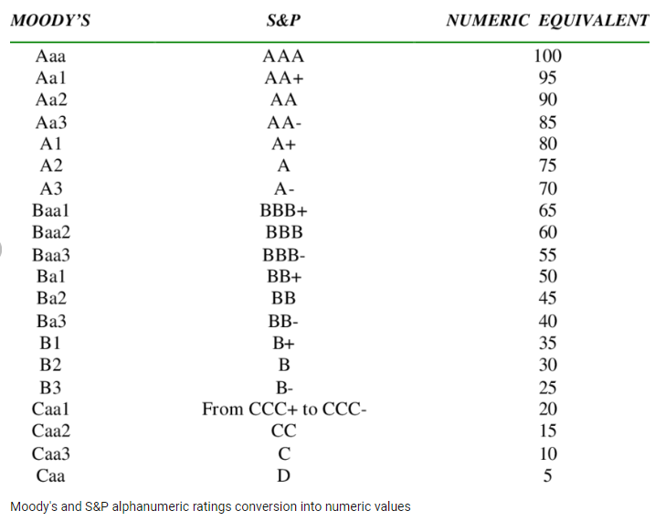
Credit Services | 47 | 1.2410638298

unlevered beta = | 0.32

levered beta = unlevered b (1+(1-t)(de ratio) = 0.32(1+(1-0.2181)*0.56263) = |  |  |  |  | 0.46077452704

cost of equity = | 6.132037523027200%

fcfe = net income - ((1-dr)*(cap ex - depriciation)) - ((1-dr) * (wc chg))

2023 non cash working capital = non cash current assets - non cash current liabilities = (62569-9081)-(48466-0) = |  |  |  |  |  | $5,022.00

2022 non cash working capital = non cash current assets - non cash current liabilities = (57517-7776)-(45101-0) = |  |  |  |  |  | $4,640.00

chg in wc = | 8.2327586%

book value of capital = 69796943.10

debt to capital ratio = 9676000/69796943.10 = |  | 13.86307%

fcfe = 4241 - ((1-13.8%)*(3596-4049)) - ((1-13.8%)*8.23%) = |  |  | 4631.1293725

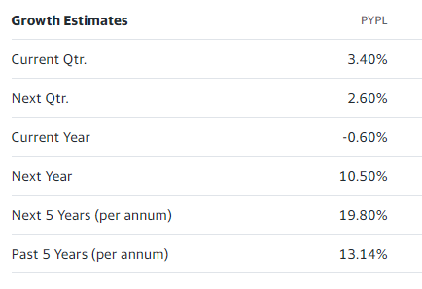
Growth

 |  |  | Analysts growth estimates:

